REST API Testing SpaceX
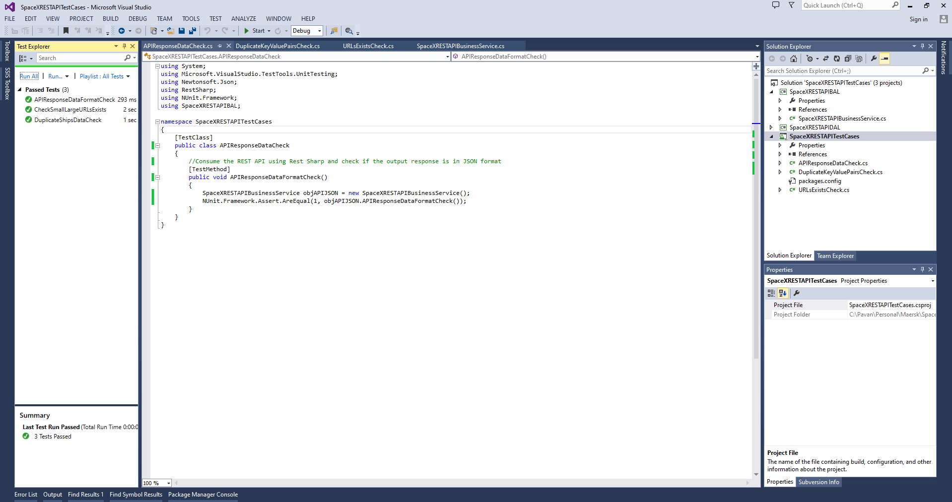
REST API Testing SpaceX - Using Postman, Rest Sharp, NUnit TDD/BDD approach
SI No | Category | Test Case | Automated | Automated
1 | API Response Data check | Consume the REST API using Rest Sharp and check if the output response is in JSON format | Yes | TestMethod : APIResponseDataFormatCheck()
2 | Duplicates Check | "ships", "capsules", "payloads", "cores", "crew" data should not repeat - Tested "ships" for example | Yes | TestMethod : DuplicateShipsDataCheck()
3 | URLs Check | Check for each of the URL exists in the "links" section - Tested "small" and "large" URLs for example | Yes | TestMethod : CheckSmallLargeURLsExists()
4 | Chain Link Check | If "success" is false, then "failures" section should not be blank (it should show the errors) | No
5 | Date Format Check | Check if the "static_fire_date_utc", "date_utc", "date_local" and all dates should be in the correct date format | No
6 | Boolean Flags Check | "success", "upcoming", "auto_update" and all the boolean flag fields should be true or false only | No
7 | Missing Data Check | - There should be atleast 1 Ship detail provided in the "ships" section - There should be atleast 1 Capsule detail provided in the "capsules" section - There should be atleast 1 Payload detail provided in the "payloads" section - There should be atleast 1 Core detail provided in the "cores" section - There should be atleast 1 Crew detail provided in the "crew" section | No
8 | Data Availability Check | Check if all mandatory fields like "flight_number" and "name" and "launchpad" and "rocket" and "Id" etc are NOT Blank | No
9 | Performance Testing | Check if the API response time is very high | No
10 | API Security Check | Security protocols should be addressed while accessing the API | No
11 | Data Security | Sensitive Data passed over the API like "crew", "id", "payloads" etc should be encrypted - Apply the deryption and check data authenticity | No

